Form
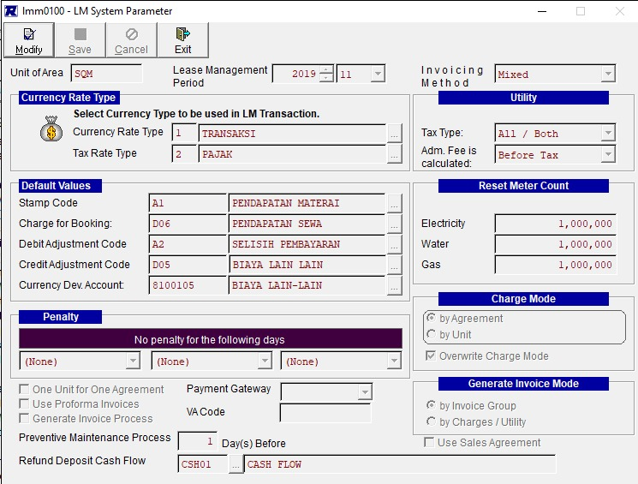
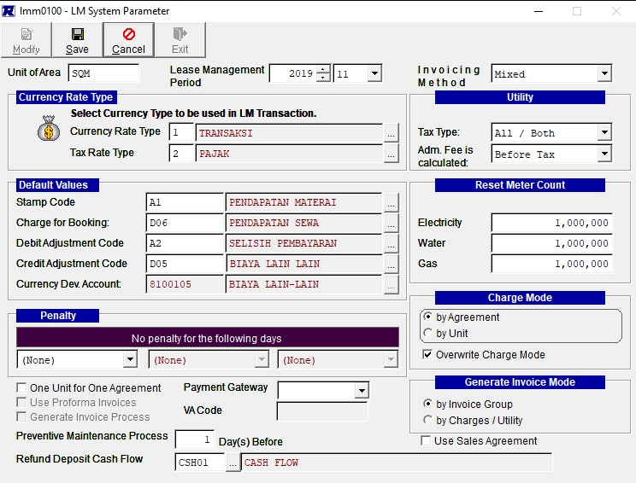
 |  |  |  |  |  |  |  |  | Department
 | Property |  | Property |  |  |  |  |  | Invoice Method
 |  |  | Soft Period |  | Current Period
 |  |  | Start Invoice Period
 |  |  | Invoice Mode
 |  |  | Withholding Tax Mode

 |  |  | Currency Rate Type
 |  |  | Tax Rate Type
 |  |  |  |  |  |  |  |  |  |  | Tax Type
 |  |  | Over Receipt |  |  |  |  |  |  |  | Adm Fee is calcualted
 |  |  | Tolerance Amount |  |  |  | Cut Off Date
 |  |  | Less Receipt |  |  |  |  | Checkbox End of the Month
 |  |  | Tolerance Amount

 |  |  | Electricity Start Period |  | Cut Off Date
 |  |  | Water Start Period |  | Cut Off Date
 |  |  | Gas Start Period |  | Cut Off Date

 |  |  |  |  |  | Payment Gateway
 |  |  |  |  |  | VA Code
 |  |  |  |  |  | Preventive Maintenance Process |  |  |  | Day(s) Before
 |  |  |  |  |  | Refund Deposit Cash Flow

Cut Off Date
Department
Period
Reference Date |  |  | To
Due Date |  |  | To
Reference No |  |  | To
Customer Id |  |  | To
Agreement Dept
Agreement No
Currency
Total Amount
Remaining Amt |  | between |  | and
Days Late |  | between |  | and
Invoice Type |  | between |  | and
Invoice Group

